Tips &trips
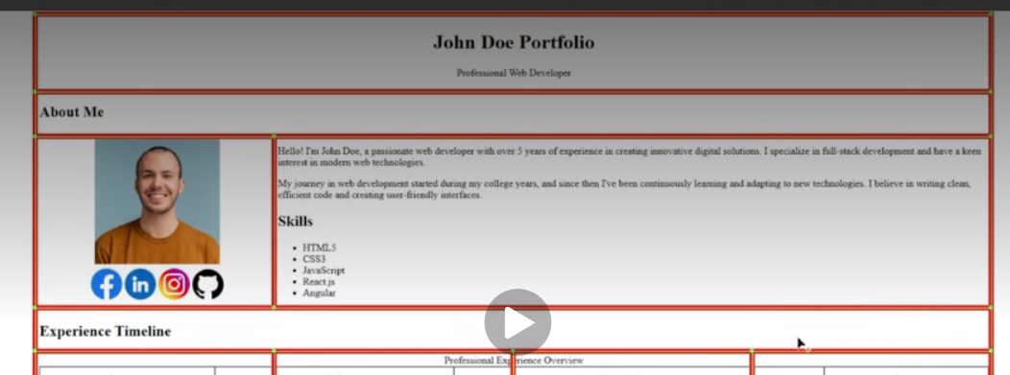
HTML Task Hints & trips Draft
 |  |  |  |  |  | table

 | part1 | Name & Job title | tr 1 h1 <br/>
 |  |  | h2
 |  |  | <br/>
 |  | About me | tr2 <br/>
 |  |  | img --- src | description --- <p>
 |  |  | 4 icons(facebook, Linkedin, Instan Github) | skills---list

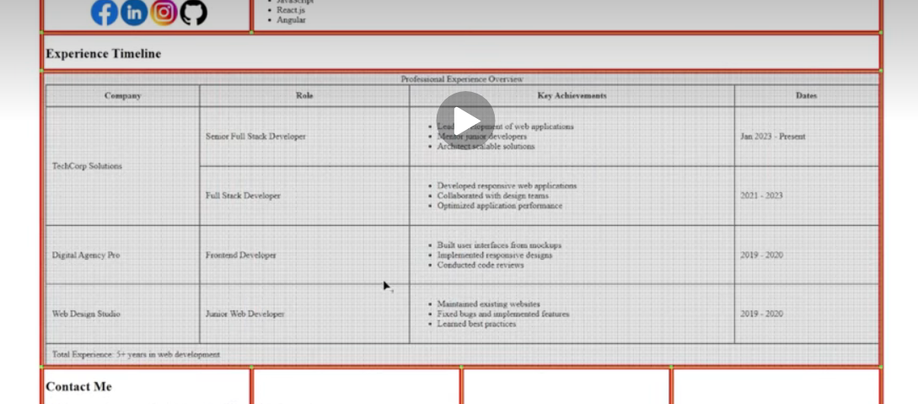

 |  |  |  |  | Experience Timeline | t3 <br/> new table -- 5 t head
 | part2

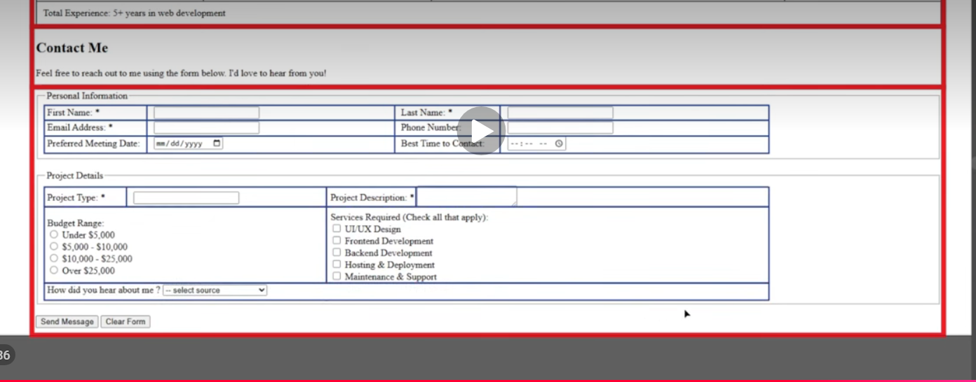

 |  |  |  |  |  | part3

original
